Spawning_Beds
Spawning Bed Configuration
Plastic Barrel
2' dia. X 3' Long

Slice both ends off
Make (5) 6" high rings
Bricks secured to ring with zip tie (4)

Minnow_Factory
Minnow Factory Design Detail

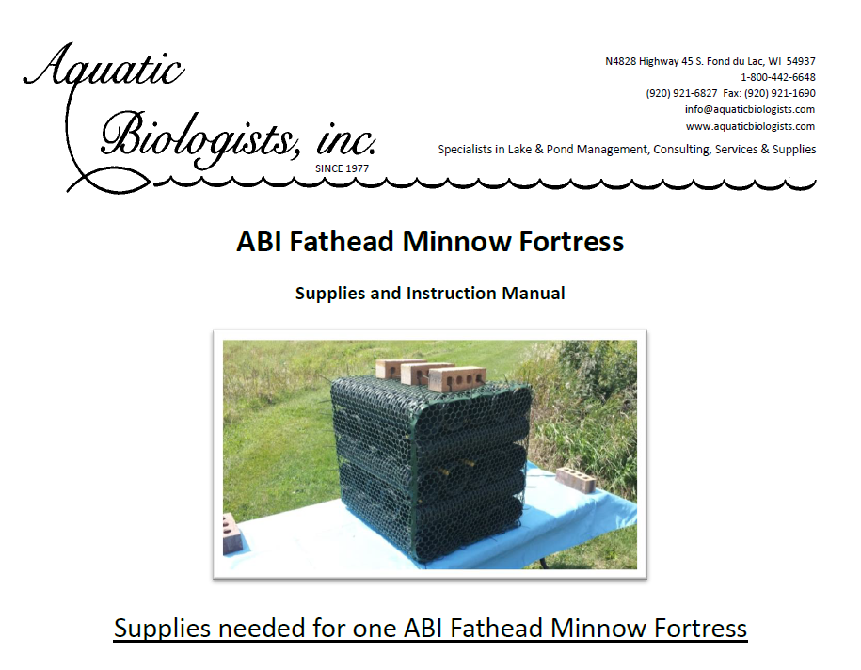

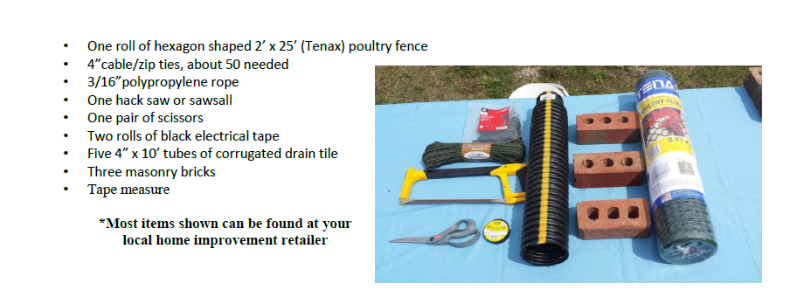

HPF
Habatat Protection Fence (HPF)Cost Estimate
11/29/18 ELS
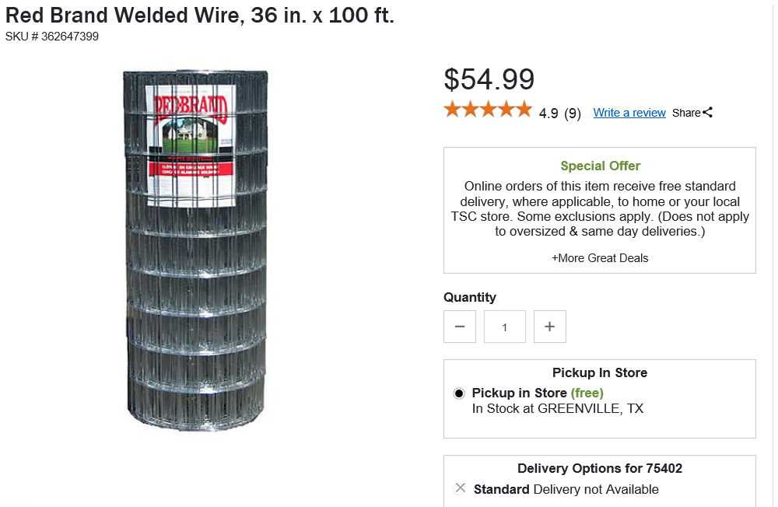
•One of the most versatile wire products made
•Sturdy welds keep mesh spacing uniform and distortion free
•Vertical wires are cut flush top and bottom to prevent snagging
•Galvanized before welding for longer life
•2 in. x 4 in. square

Description | 3' Dia x 3' High | Description | 3' Dia x 4' High | Description | 3' Dia x 6' High
Height: 36 in. |  | Height: 48 in. |  | Height: 72 in.
Length: 100 ft. |  | Length: 100 ft. |  | Length: 100 ft.
Mesh: 2 in. x 4 in. |  | Mesh: 2 in. x 4 in. |  | Mesh: 2 in. x 4 in.
Brand: Red Brand |  | Brand: Red Brand |  | Brand: Red Brand
Product Type: Welded Wire |  | Product Type: Welded Wire |  | Product Type: Welded Wire
Manufacturer Part Number 84066 |  | Manufacturer Part Number 84066 |  | Manufacturer Part Number 84066
Wire Roll | 54.99 | Wire Roll | 57.99 | Wire Roll | 129.99
Wire 10'/Hoop | 5.50 | Wire 10'/Hoop | 5.80 | Wire 10'/Hoop | 13.00
5' T Post (3) | 3.19 | 6' T Post (3) | 3.59 | 8' T Post (3) | 6.10
Fence Clips (2) | 4.59 | Fence Clips (2) | 4.59 | Fence Clips (2) | 4.59
Top-3' Hoop | 1.65 | Top-4' Hoop | 2.32 | Top-6' Hoop | 7.80
Hoop Cost | 25.90 |  | 28.07 |  | 48.28
Hoops/Site | 2 |  | 2 |  | 2
Cost/Site | 51.80 |  | 56.14 |  | 96.56
Cost - 6 Sites | 310.78 |  | 336.82 |  | 579.34
Total Material Cost | 1226.95
Unidentified (15%) | 184.04
Total Cost Estimate | 1410.99
Hoops/Site | 3 |  | 3 |  | 3
Cost/Site | 77.70 |  | 84.21 |  | 144.84
Cost - 6 Sites | 466.18 |  | 505.23 |  | 869.01
Total Material Cost | 1840.42
Unidentified (15%) | 276.06
Total Cost Estimate | 2116.49
Hoops/Site | 4 |  | 4 |  | 4
Cost/Site | 103.59 |  | 112.27 |  | 193.11
Cost - 6 Sites | 621.57 |  | 673.65 |  | 1158.68
Total Material Cost | 2453.90
Unidentified (15%) | 368.08
Total Cost Estimate | 2821.98

T-Habs
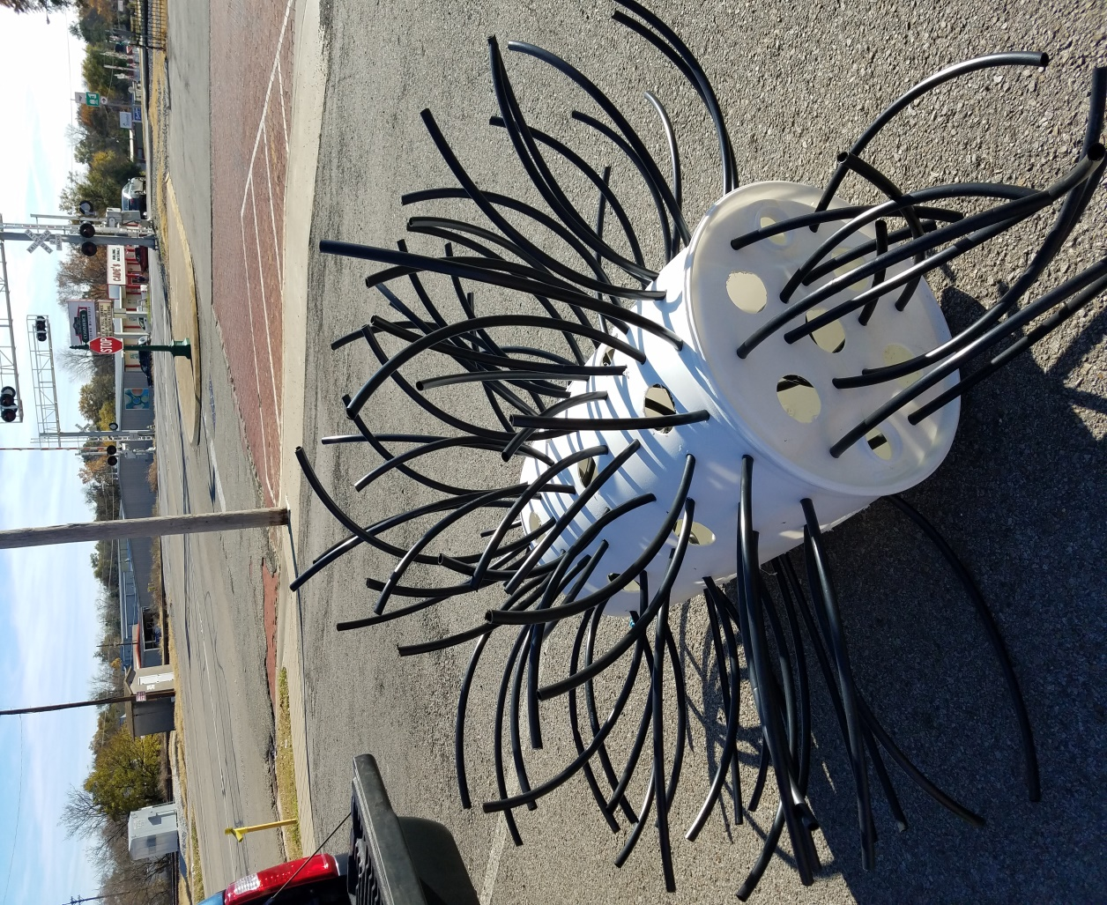
TPWD Attractor Project Cost Estimate
11/29/18 ELS
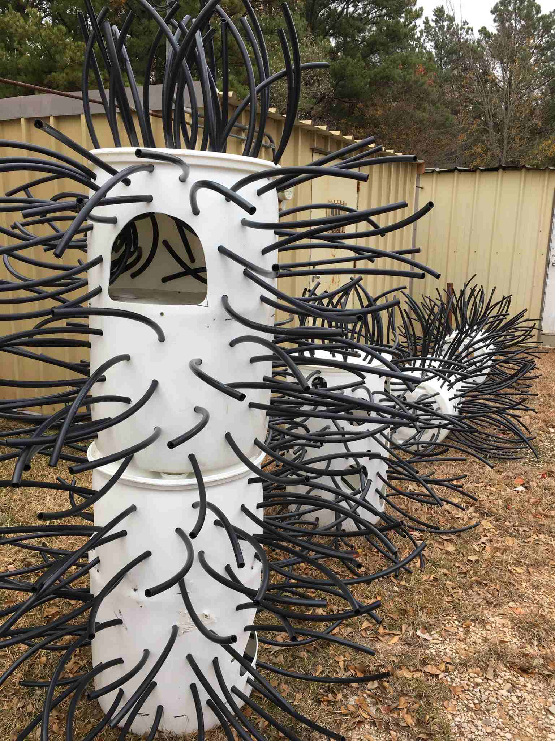

Barrels are containers for Pepsi Syrup and available for free with prior notice for pickup.

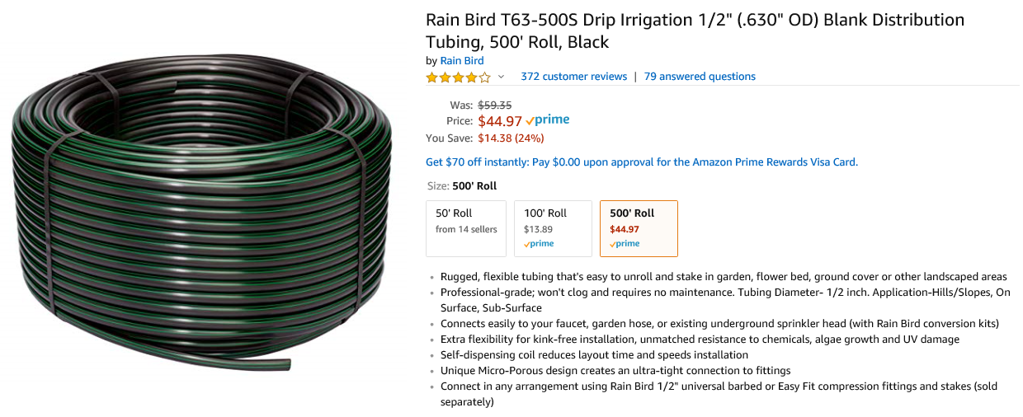

500' Roll | $45.00
3 Attractors/Roll | $15.00
Cost/Barrel | $15.00
# of Barrels | 220
Total Material Costs | $3,300.00
Tools & Unidentified | $200.00
 | $3,500.00

